Results
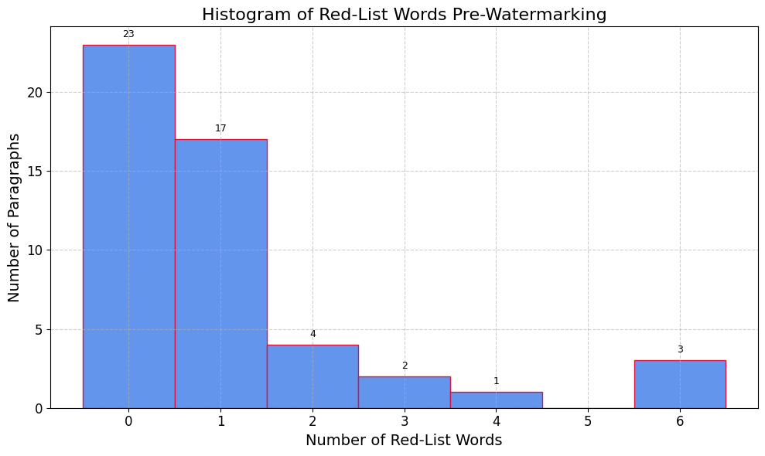
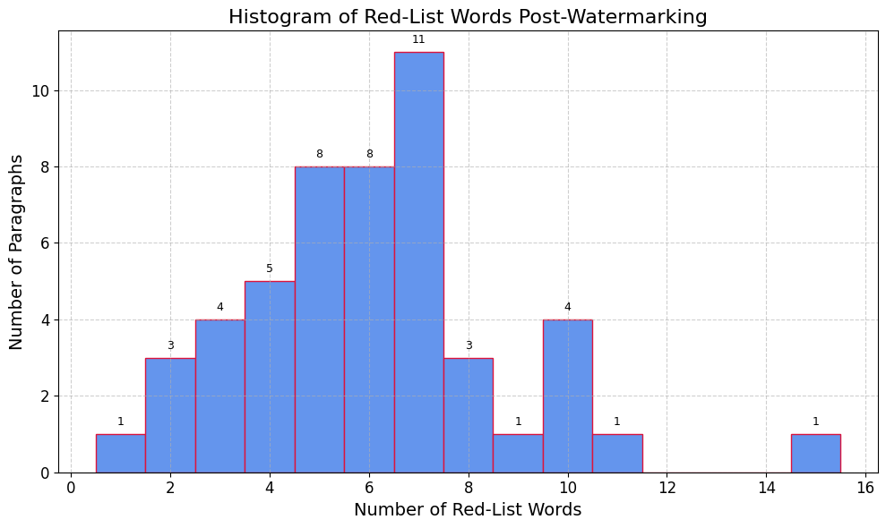
Pre-Watermarked |  |  |  | Watermark 1st iteration
 | Pre-Watermarked |  |  | Scores | Watermarked 1
0 | 23 |  |  | 0 | 0
1 | 17 |  |  | 1 | 1
2 | 4 |  |  | 2 | 3
3 | 2 |  |  | 3 | 4
4 | 1 |  |  | 4 | 5
5 | 0 |  |  | 5 | 8
6 | 3 |  |  | 6 | 8
 |  |  |  | 7 | 11 | Generation Prompt:
 |  |  |  | 8 | 3 | Answer this question in about 150 words (answer in a simple level of complexity and in one paragraph). I want you to do so by using as many of the above "Red-List" words as possible. Make sure the paragraph still makes sense, while also maximizing the amount of "Red-List" words. (Question)
 |  |  |  | 9 | 1
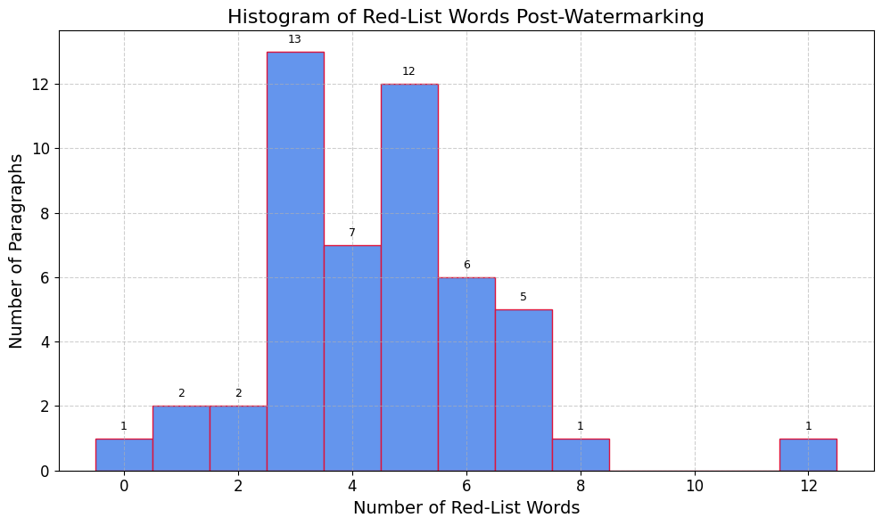
Watermark 2nd iteration |  |  |  | 10 | 4
Scores | Watermarked 2 |  |  | 11 | 1
0 | 1 |  |  | 15 | 1
1 | 2 |  |  |  |  | Calculations
2 | 2 |  |  |  |  | %FP | 20%
3 | 13 |  |  |  |  | %FN | 6%
4 | 7 |  |  |  |  | Accuracy | 74%
5 | 12 |  |  |  |  | Error | 26%
6 | 6
7 | 5 | Generation Prompt:
8 | 1 | Answer this question in about 150 words (answer in a simple level of complexity and in one paragraph). I want you to do so by using as many of the above "Red-List" words as possible in your response (use the word exactly as it is mentioned in the list). Make sure the paragraph still makes sense, but ensure that this paragraph has a minimum 3 of the red-list words. (Question)
12 | 1

Calculations |  |  | *Should have run this with "of" 3
%FP | 20%
%FN | 10%
Accuracy | 70%
Error | 30%

Confusion Matrix
Watermark 1

Total Occurences (String) | Total Occurences (Word) | Unique Occurences (String) | Unique Occurences (Word)
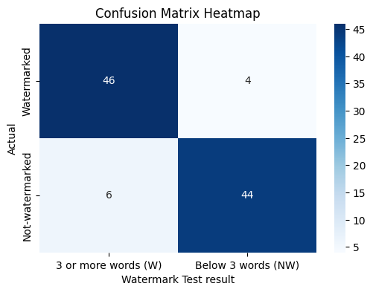 |  | 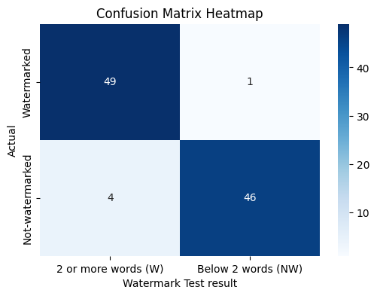 | 

Threshold - 3 | Threshold - 5 | Threshold - 2 | Threshold - 3

Watermark 2

Total Occurences (String) | Total Occurences (Word) | Unique Occurences (String) | Unique Occurences (Word)
 | 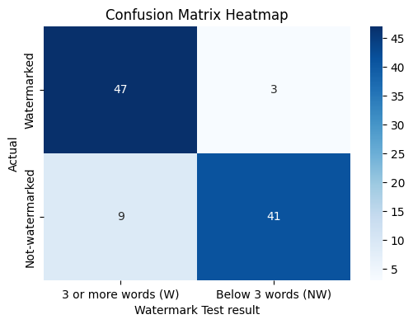 |  | 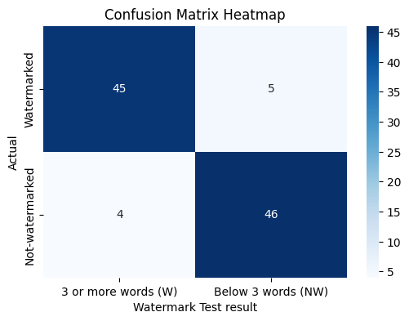

Threshold - 3 | Threshold - 3 | Threshold - 3 | Threshold - 3

Watermark 3

Total Occurences (String) | Total Occurences (Word) | Unique Occurences (String) | Unique Occurences (Word)
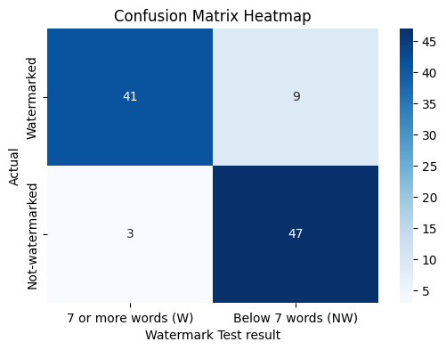 |  |  | 

Threshold - 7 | Threshold - 9 | Threshold - 6 | Threshold -8

Watermark 4

Total Occurences (String) | Total Occurences (Word) | Unique Occurences (String) | Unique Occurences (Word)
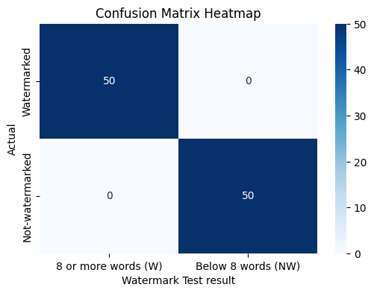 |  | 

